Sheet1
state | Population | Male Population | Female Population | Gender Ratio
Andhra Pradesh | 380,581 | 202,871 | 177,710 | 876
Andhra Pradesh | 49,386,799 | 24,831,408 | 24,555,391 | 989 |  | Questions |  |  |  |  |  |  |  |  |  |  |  | Answer
Arunachal Pradesh | 1,383,727 | 713,912 | 669,815 | 938 |  | Calculate the total population of all states and union territories. |  |  |  |  |  |  |  |  |  |  |  | 1116988863
Assam | 31,205,576 | 15,939,443 | 15,266,133 | 958 |  | Count the total number of states and union territories in the table. |  |  |  |  |  |  |  |  |  |  |  | 32
Bihar | 104,099,452 | 54,278,157 | 49,821,295 | 919 |  | Find the average population of all states and union territories. |  |  |  |  |  |  |  |  |  |  |  | 34905901.969
Chhattisgarh | 25,545,198 | 12,827,915 | 12,717,283 | 992 |  | Calculate the total population of states with a Gender ratio greater than 950. |  |  |  |  |  |  |  |  |  |  |  | 182553180
Dadra & Nagar Haveli and Daman & Diu | 585,764 | 344,669 | 241,095 | 700 |  | Count the number of states and union territories with a population exceeding 50000000 |  |  |  |  |  |  |  |  |  |  |  | 8
Delhi | 16,787,941 | 8,987,326 | 7,800,615 | 868 |  | Find the average population of states with a Gender ratio less than 950. |  |  |  |  |  |  |  |  |  |  |  | 25244799.867
Goa | 1,458,545 | 739,140 | 719,405 | 973 |  | Calculate the total population of states where the Gender ratio is greater than 950 and the population is less than 50000000 |  |  |  |  |  |  |  |  |  |  |  | 245429671
Gujarat | 60,439,692 | 31,491,260 | 28,948,432 | 920 |  | Count the number of states with a male population greater than 20000000 and a female population greater than 20000000 |  |  |  |  |  |  |  |  |  |  |  | 10
Haryana | 25,351,462 | 13,494,734 | 11,856,728 | 879 |  | Find the average population of states where the male population is greater than 10000000 and the Gender ratio is less than 950. |  |  |  |  |  |  |  |  |  |  |  | 78220444.222
Himachal Pradesh | 6,864,602 | 3,481,873 | 3,382,729 | 972 |  | Find maximum gender ratio from above table |  |  |  |  |  |  |  |  |  |  |  | 1084
Jammu & Kashmir | 12,541,302 | 6,640,662 | 5,900,640 | 889 |  | Find minimum gender ratio from above list |  |  |  |  |  |  |  |  |  |  |  | 700
Jharkhand | 32,988,134 | 16,930,315 | 16,057,819 | 948 |  | How many states/UT's have population less than 60000000 |  |  |  |  |  |  |  |  |  |  |  | 33
Karnataka | 61,095,297 | 30,966,657 | 30,128,640 | 973 |  | Find what Percentage of total population belongs to Uttar Pradesh. |  |  |  |  |  |  |  |  |  |  |  | 17.888481042
Kerala | 33,406,061 | 16,027,412 | 17,378,649 | 1,084 |  | Find what Percentage of total population is Male population. |  |  |  |  |  |  |  |  |  |  |  | #REF!
Lakshadweep | 64,473 | 33,123 | 31,350 | 947
Madhya Pradesh | 72,626,809 | 37,612,306 | 35,014,503 | 931 |  | Vlookup question |  |  |  |  |  |  |  | Answer
Maharashtra | 112,374,333 | 58,243,056 | 54,131,277 | 931 |  | Find the population of Kerala using VLOOKUP. |  |  |  |  |  |  |  | 16027412
Manipur | 2,570,390 | 1,290,171 | 1,280,219 | 992 |  | Retrieve the male population of Maharashtra. |  |  |  |  |  |  |  | 58243056
Meghalaya | 2,966,889 | 1,491,832 | 1,475,057 | 989 |  | Find the female population of Tamil Nadu. |  |  |  |  |  |  |  | 36009055 |  |  |  | 33406061
Mizoram | 1,097,206 | 555,339 | 541,867 | 976 |  | What is the sex ratio of Rajasthan? |  |  |  |  |  |  |  | 928 |  |  |  | 895
Nagaland | 1,978,502 | 1,024,649 | 953,853 | 931 |  | Find the sex ratio of the state with the maximum population. |  |  |  |  |  |  |  | 912 |  |  |  | 14639465 | punjab
Odisha | 41,974,218 | 21,212,136 | 20,762,082 | 979 |  |  |  |  |  |  |  |  |  |  |  |  |  | 36137975
Punjab | 27,743,338 | 14,639,465 | 13,103,873 | 895 |  | Verify if VLOOKUP treats "Kerala" and "KERALA" as the same for population lookup. |  |  |  |  |  |  |  | 33406061 |  |  |  | 16057819
Rajasthan | 68,548,437 | 35,550,997 | 32,997,440 | 928 |  |  |  |  |  |  |  |  |  | 33406061 |  |  |  | 3382729 | h.p. female
Sikkim | 610,577 | 323,070 | 287,507 | 890 |  |  |  |  |  |  |  |  |  |  |  |  |  | 972
Tamil Nadu | 72,147,030 | 36,137,975 | 36,009,055 | 996
Telangana | 35,193,978 | 17,611,633 | 17,582,345 | 998
Tripura | 3,673,917 | 1,874,376 | 1,799,541 | 960
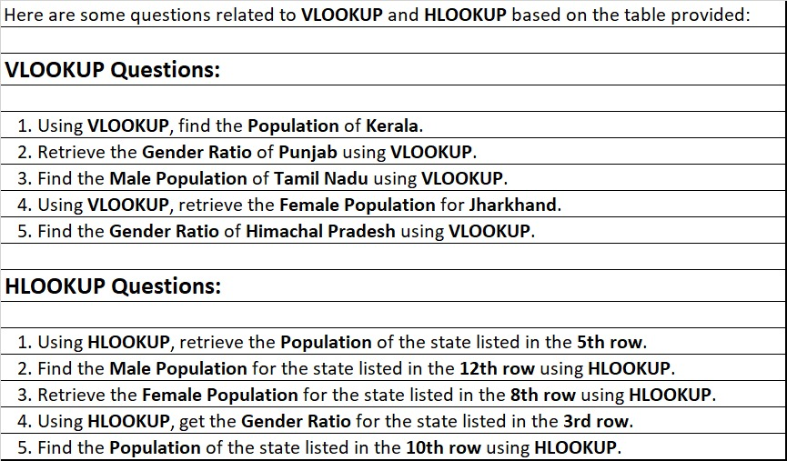
Uttar Pradesh | 199,812,341 | 104,596,415 | 95,215,926 | 912
Uttarakhand | 10,086,292 | 5,137,773 | 4,948,519 | 963
West Bengal | 91,276,115 | 46,809,027 | 44,467,088 | 950

 | Andman and nikobar | Andhra Pradesh | Arunachal Pradesh | Assam | Bihar | Chhattisgarh | Dadra & Nagar Haveli and Daman & Diu | Delhi | Goa | Gujarat | Haryana | Himachal Pradesh | Jammu & Kashmir | Jharkhand | Karnataka | Kerala | Andhra Pradesh | Arunachal Pradesh | Maharashtra | Manipur | Meghalaya | Mizoram | Nagaland | Odisha | Punjab | Rajasthan | Sikkim | Tamil Nadu | Telangana | Tripura | Uttar Pradesh | Uttarakhand
 | 380,581 | 49,386,799 | 1,383,727 | 31,205,576 | 104,099,452 | 25,545,198 | 585,764 | 16,787,941 | 1,458,545 | 60,439,692 | 25,351,462 | 6,864,602 | 12,541,302 | 32,988,134 | 61,095,297 | 33,406,061 | 28,768,136 | 28,504,657 | 112,374,333 | 2,570,390 | 2,966,889 | 1,097,206 | 1,978,502 | 41,974,218 | 27,743,338 | 68,548,437 | 610,577 | 72,147,030 | 35,193,978 | 3,673,917 | 199,812,341 | 10,086,292
 | 202,871 | 24,831,408 | 713,912 | 15,939,443 | 54,278,157 | 12,827,915 | 344,669 | 8,987,326 | 739,140 | 31,491,260 | 13,494,734 | 3,481,873 | 6,640,662 | 16,930,315 | 30,966,657 | 16,027,412 | 14,562,292 | 14,401,787 | 58,243,056 | 1,290,171 | 1,491,832 | 555,339 | 1,024,649 | 21,212,136 | 14,639,465 | 35,550,997 | 323,070 | 36,137,975 | 17,611,633 | 1,874,376 | 104,596,415 | 5,137,773
 | 177,710 | 24,555,391 | 669,815 | 15,266,133 | 49,821,295 | 12,717,283 | 241,095 | 7,800,615 | 719,405 | 28,948,432 | 11,856,728 | 3,382,729 | 5,900,640 | 16,057,819 | 30,128,640 | 17,378,649 | 14,205,844 | 14,102,869 | 54,131,277 | 1,280,219 | 1,475,057 | 541,867 | 953,853 | 20,762,082 | 13,103,873 | 32,997,440 | 287,507 | 36,009,055 | 17,582,345 | 1,799,541 | 95,215,926 | 4,948,519
 | 876 | 989 | 938 | 958 | 919 | 992 | 700 | 868 | 973 | 920 | 879 | 972 | 889 | 948 | 973 | 1,084 | 963.60952381 | 967.37738095 | 931 | 992 | 989 | 976 | 931 | 979 | 895 | 928 | 890 | 996 | 998 | 960 | 912 | 963

 |  |  | kerala |  | 33406061
 |  |  | arunachal pradesh | 1383727
 |  |  | Assam | 15939443
 |  |  | Bihar | 49821295 | female population
 |  |  | delhi | 16787941
 |  |  | goa | 1458545
 |  |  | gujarat | 31491260
 |  |  | kerala | 17378649
 |  |  | Tamil nadu | 996

